Sheet1
 |  | Document No. | Issue No. |  | Issue Date |  | Review and Replace Date |  |  |  | Authorised By
 |  |  | 1 |  | 28.10.2022 |  | New Document
 |  | Document Title | EPD_ MINDFUL CHEF - Chicken Tikka Masala with Brown rice 400g
 |  | New Document |  |  |  | Page |  | 1 of 1 |  |  | Magda Shah
Document amendments reason for change |  |  |  |  |  | Previous Issue Date |  | New Document |  |  | Uncontrolled copy unless signed original

EPD | MINDFUL CHEF |  | EPD_ MINDFUL CHEF - Chicken Tikka Masala with Brown rice 400g
STEP 1 |  |  |  |  |  | STEP 2
 |  |  |  |  |  | 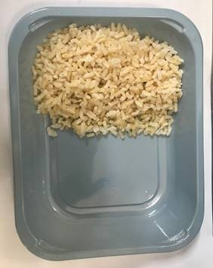 |  |  |  | 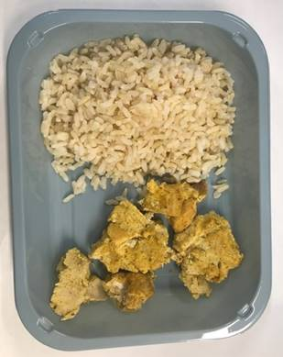

PACK DAY + 1 YEAR
NON-MAP PACK

Tray: EVOLVE CPET 2200-1E - FROST (PKRHP001-15) |  |  |  |  |  | Brown Rice NPD : 100g |  |  |  | Cooked Chicken Tikka NPD: 60g
Film: K peel 7G+25A/f- 275mm (275 mmX1000)(PKKMP001-03)
STEP 3 |  |  |  | STEP 4 |  |  |  |  | STEP 5
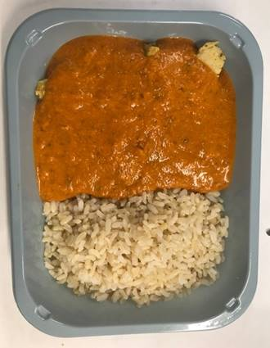 |  |  |  | 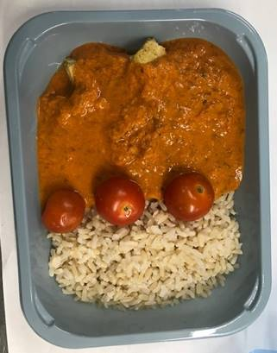 |  |  |  |  | 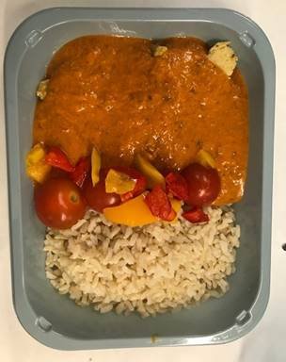

Tikka Masala Sauce NPD:180g |  |  |  | Tomato Cherry Whole : 40g |  |  |  |  | Roasted Mixed Pepper 20g |  |  | TOTAL WEIGHT: 400g

ALLERGY ALERT: None

